DS1307 Circuit
 | Clock Chip Datasheet |  | Requirements
 | footprint | oscillator | 32.768k Quartz
 |  |  | Cl 12.5pF
 |  |  | ground fill around x1 x2

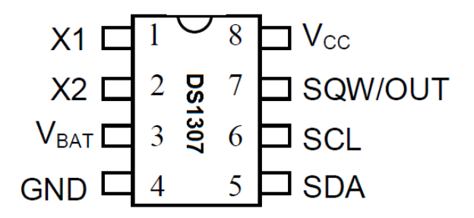
X1 is oscillator input

x2 |  |  |  | http://www.learningaboutelectronics.com/Articles/DS1307-real-time-clock-RTC-circuit.php

